Instructions
Instructions
Step | Task
1 | Navigate to the Calculator tab (below) and enter values in the green tinted cells

2 | Review Calculator information for accuracy

3 | 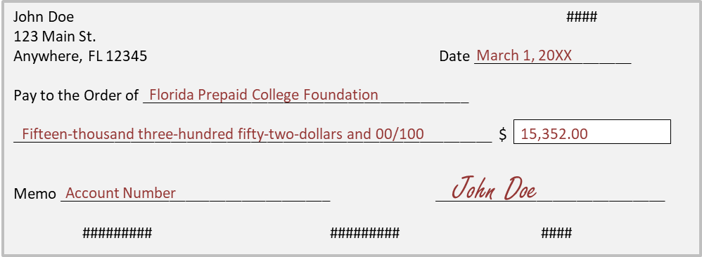 Cut a check using the diagram below for the amount marked as Final Check Amount on the Calculator Tab

4 | 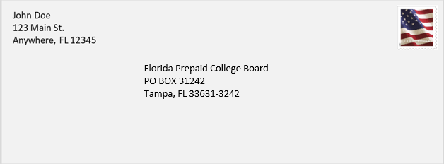 Mail the check from step 3, a print out of the Calculator tab, and a letter (optional) to the lockbox address listed in the diagram below

Florida Prepaid College Foundation Contact Information
Email | prepaid.foundation@myfloridaprepaid.com
Phone | 1-800-552-4723

Calculator

Traditional Prepaid Plan
Purchase Calculator Contract Year 2024
**This scholarship purchase calculator is for information purposes only. Final purchases will be reviewed and approved by the Florida Prepaid College Foundation.**

 | ►Please fill in all cells that have a green tint

Foundation Name:

Scholarship Type:

Purchase Amount: | $-

 | Number of Contracts | Total Contract Price | Amount to be Matched | Donor Amount Due Before App Fees | App Fees | Total Amount Due by Donor
Prepaid Plans: | 0 | $- | $- | $- | $- | $-
Dormitory: | 0 | $- | $- | $- | $- | $-
Grand Total: | 0 | $- | $- | $- | $- | $-

See SRO Language Below

Florida Prepaid College Plans - These are bundled plans and include the traditional tuition, local fee and tuition differential fee plan |  |  |  |  |  |  |  | Internal Use
Quantity | Plan Type | Projected Enrollment Year | Contract Price | App Fee | Quantity * Contract Price | Quantity * App Fee | Total Contract Price with App Fees | 1/2 Contract Price | 1/2 CP Plus App Fee
0 | Plan Type | PEY | $0.00 | $50.00 | $- | $- | $- | $0.000 | $50.000
0 | Plan Type | PEY | $0.00 | $50.00 | $- | $- | $- | $0.000 | $50.000
0 | Plan Type | PEY | $0.00 | $50.00 | $- | $- | $- | $0.000 | $50.000
0 | Plan Type | PEY | $0.00 | $50.00 | $- | $- | $- | $0.000 | $50.000
0 | Plan Type | PEY | $0.00 | $50.00 | $- | $- | $- | $0.000 | $50.000
0 | Plan Type | PEY | $0.00 | $50.00 | $- | $- | $- | $0.000 | $50.000
0 | Plan Type | PEY | $0.00 | $50.00 | $- | $- | $- | $0.000 | $50.000
0 | Plan Type | PEY | $0.00 | $50.00 | $- | $- | $- | $0.000 | $50.000
0 | Plan Type | PEY | $0.00 | $50.00 | $- | $- | $- | $0.000 | $50.000
0 | Plan Type | PEY | $0.00 | $50.00 | $- | $- | $- | $0.000 | $50.000
0 | Plan Type | PEY | $0.00 | $50.00 | $- | $- | $- | $0.000 | $50.000
0 | Plan Type | PEY | $0.00 | $50.00 | $- | $- | $- | $0.000 | $50.000

Dormitory - These are dormitory plans that can be purchased for a pre-existing tuition scholarship plan or new tuition scholarship |  |  |  |  |  |  |  | Internal Use
Quantity | Plan Type | Projected Enrollment Year | Adding to a new or existing scholarship? | Contract Price | Quantity * Contract Price | Quantity * App Fee | Total Contract Price with App Fees | 1/2 Contract Price | 1/2 CP Plus App Fee
0 | 1 Year | PEY | New | $0.00 | $- | $- | $- | $0.000 | $0.000
0 | 1 Year | PEY | Select | $0.00 | $- | $- | $- | $0.000 | $0.000
0 | 1 Year | PEY | Select | $0.00 | $- | $- | $- | $0.000 | $0.000
0 | 1 Year | PEY | Select | $0.00 | $- | $- | $- | $0.000 | $0.000
0 | 1 Year | PEY | Select | $0.00 | $- | $- | $- | $0.000 | $0.000

The Scholarship Reinvestment Opportunity (SRO) allows Foundation partners to access the full benefit value of unused scholarship units to fund future scholarships. Because the SRO value exceeds the purchase price of the unused units, partners are not permitted to receive a cash refund of SRO dollars (i.e., they are restricted). Historically, Foundation partners have specified the use of available SRO funds at the time of scholarship purchase, directing SRO funds to specific Plans within their portfolio. The funds were then managed such that they would be used by a student attending college – at times requiring the transfer of funds between scholarships. For example, transferring restricted funds from a scholarship being cancelled to a scholarship being used. In the new Salesforce platform, rather than ask our partners to deploy SRO funds at the time of purchase and then manage those funds through the scholarship life cycle, the Foundation will track restricted funds at the portfolio level. Then, as Plans are used, we will automatically reduce the restrictions on the partner’s available funds proportionally based on the usage. This, in effect, utilizes restricted funds before a partner’s unrestricted funds when Prepaid Plan benefits are paid to an educational institution. When considering this policy position for the new platform, the Foundation determined this approach could be applied retroactively. At the time of conversion our transition team considered all SRO dollars that were created for each partner, we then considered usage that occurred after the creation of those SRO funds, and, to the extent that usage occurred, we assumed that usage utilized available SRO funds. As a result, partners will see that your total available funds are unchanged from system to system but more of your funds are unrestricted.

